Sheet1
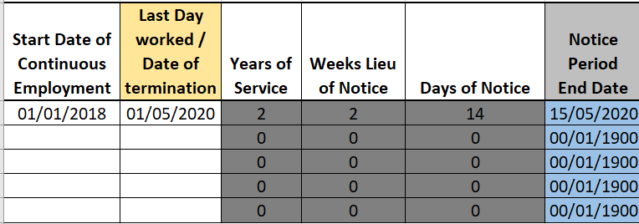
Start Date of Continuous Employment | Last Day worked / Date of termination | Years of Service | Weeks Lieu of Notice | Days of Notice | Notice Period End Date | Example
 |  | 0 | 0 | 0 | 0
 |  | 0 | 0 | 0 | 0
 |  | 0 | 0 | 0 | 0
 |  | 0 | 0 | 0 | 0
 |  | 0 | 0 | 0 | 0

In order to identify the end date of a persons Notice Period enter the details into the first 2 columns

This Date is usually the date employee's were notified the business has ceased trading.

